Use_Case
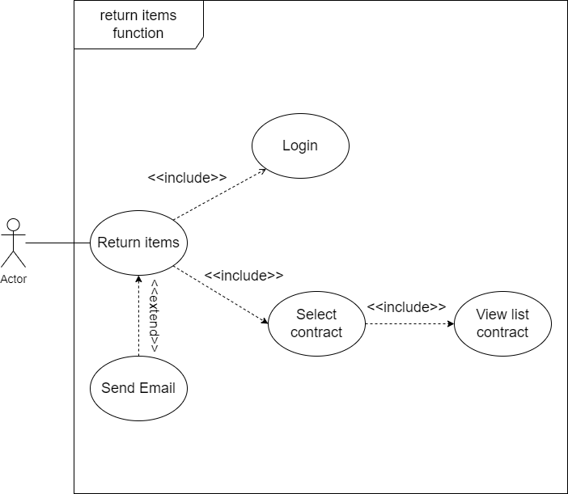
6.2.7 Màn hình trả đồ
6.2.7.1 Màn hình chọn hợp đồng

Class_Diagram
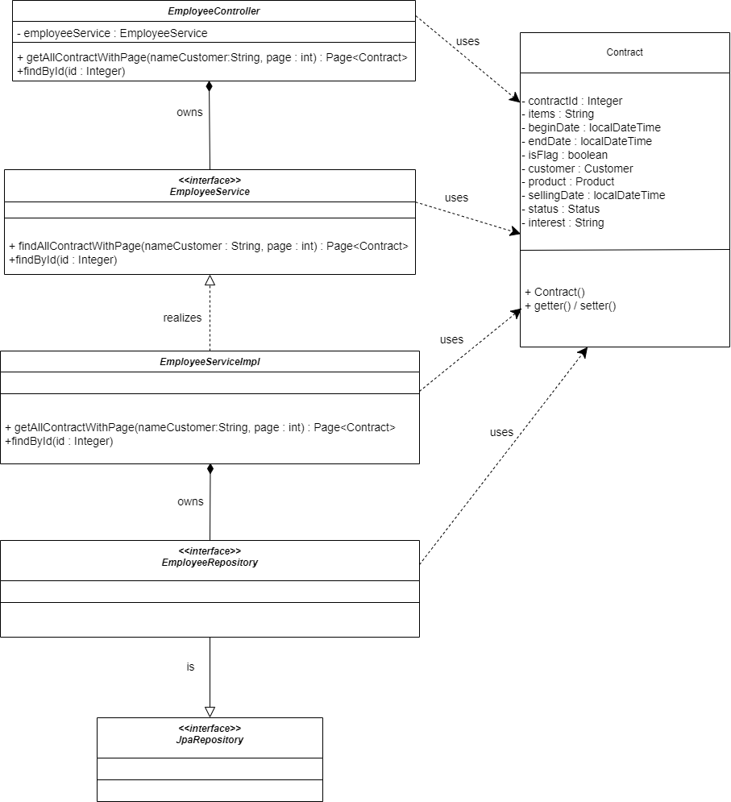
6.2.7 Màn hình trả đồ
6.2.7.1 Màn hình chọn hợp đồng

Sequence_Diagram
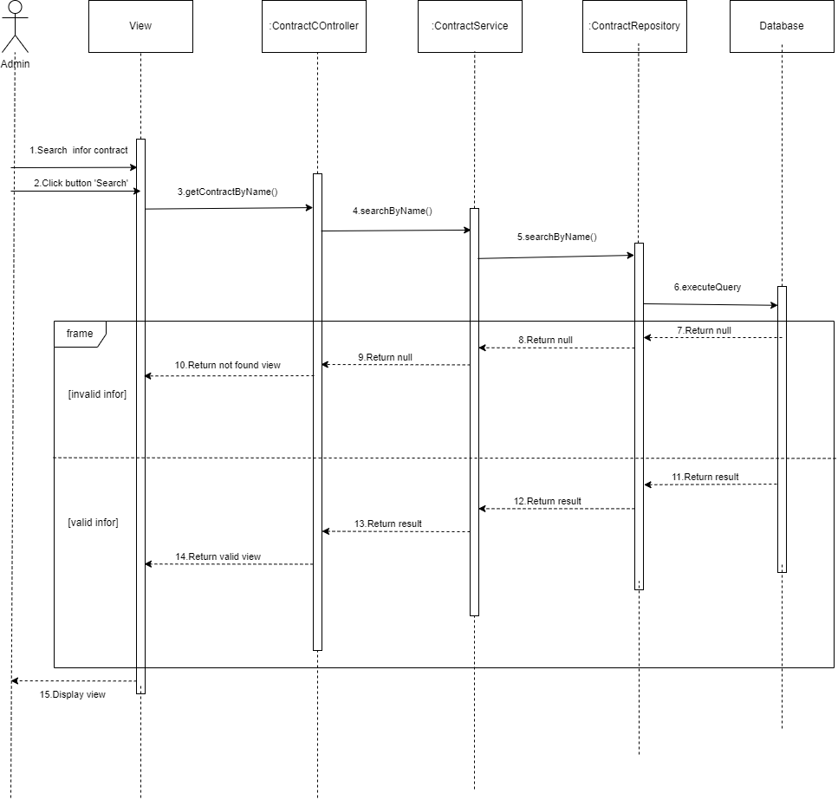
6.2.7.1 Màn hình chọn hợp đồng
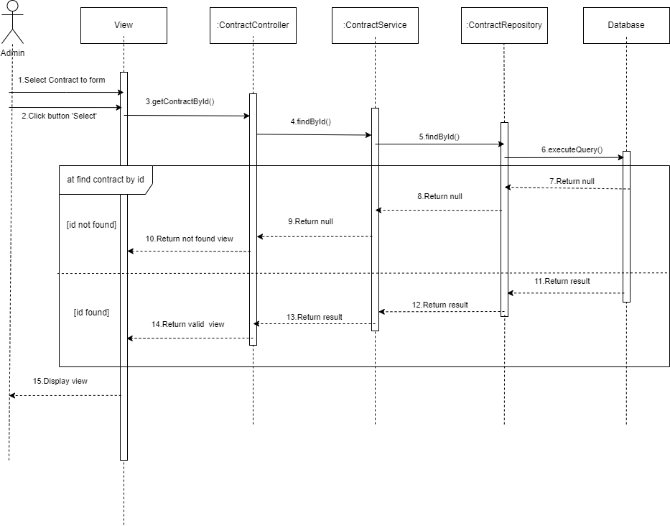

6.2.7.1 Màn hình tìm kiếm hợp đồng

